16042022
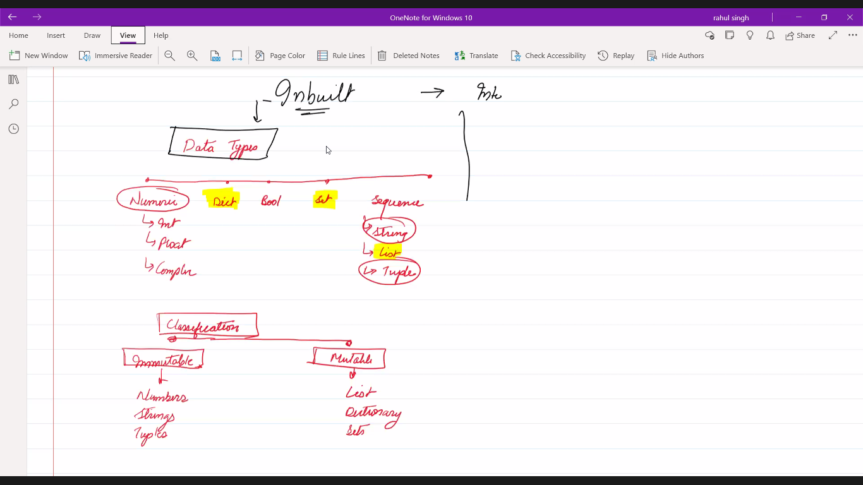

Classification of Datatypes
 |  | DATA TYPES

Numbers | Dictionary | Boolean | Set | Sequences
Int |  |  |  | String
Float |  |  |  | list
Complex |  |  |  | Tuple

Immutable | Mutable | Loosely Mutable
Number | List
String | Dict
Tuple | Set

19042022
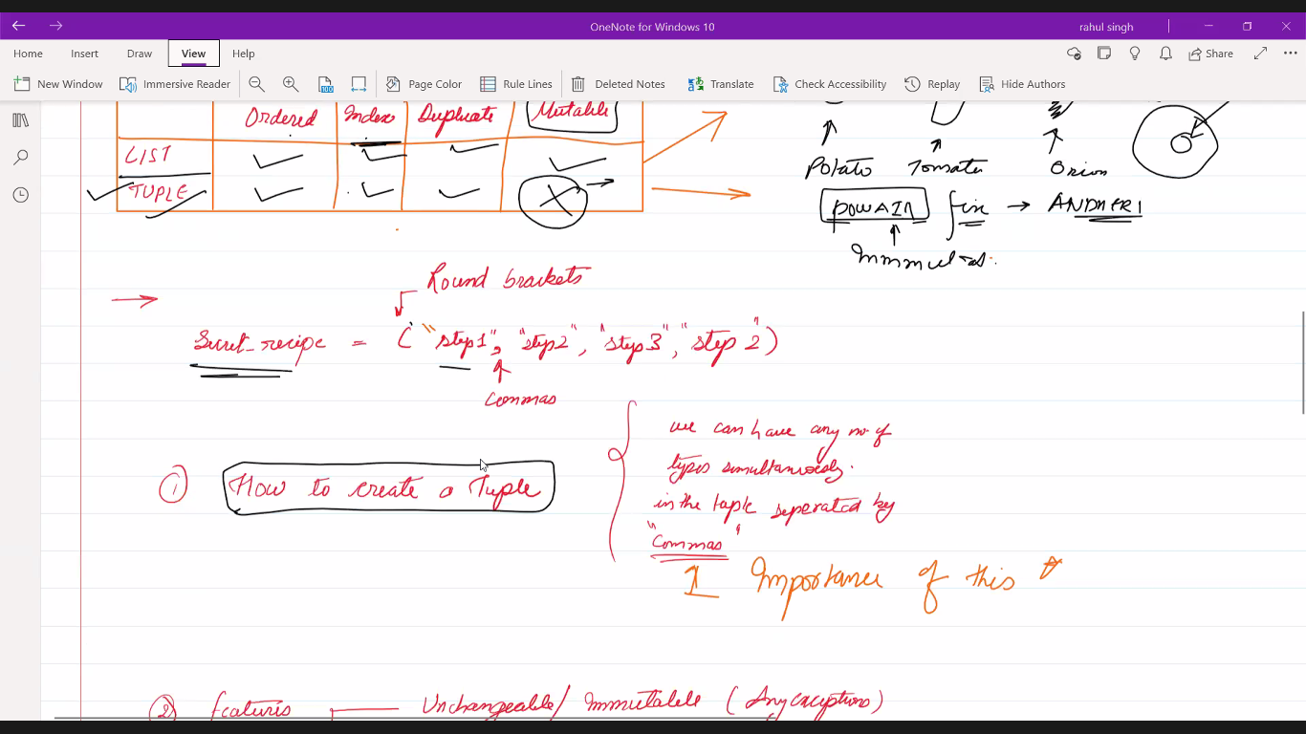
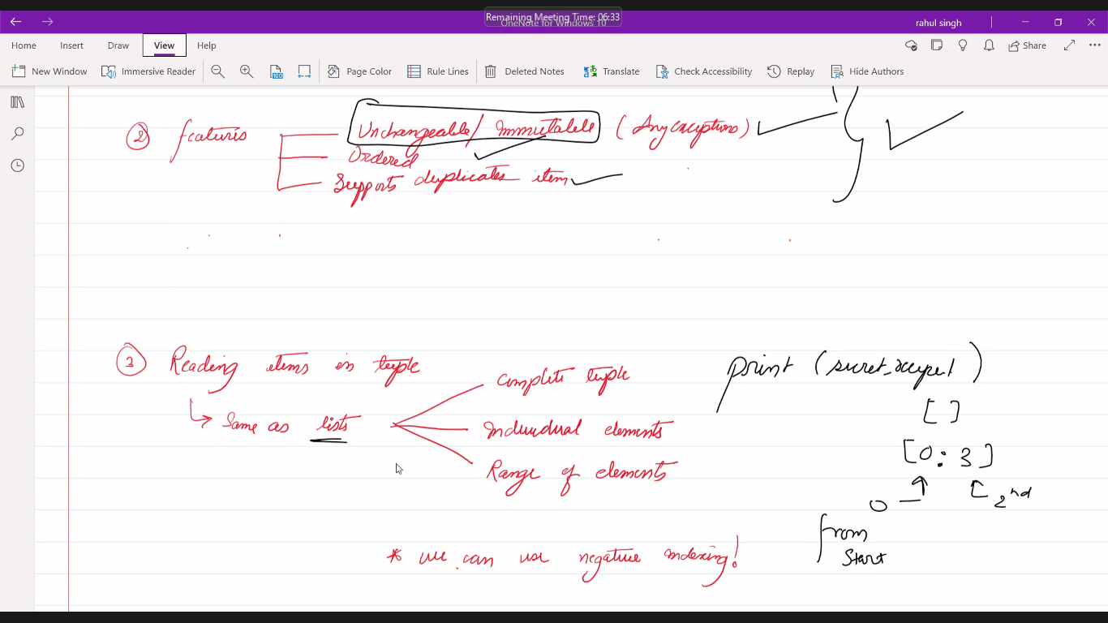
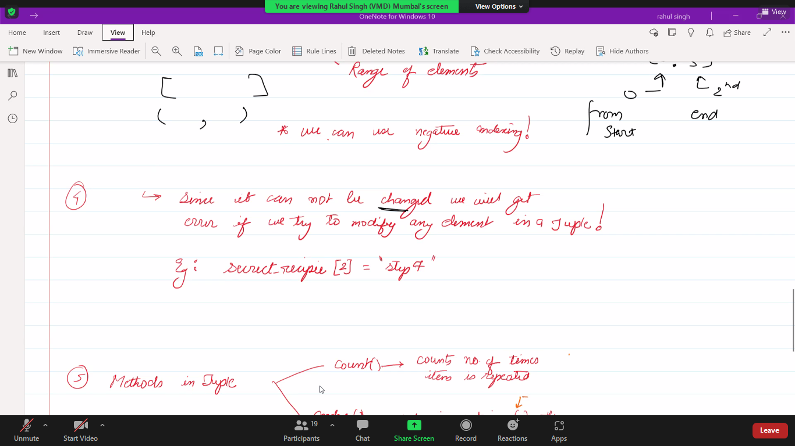
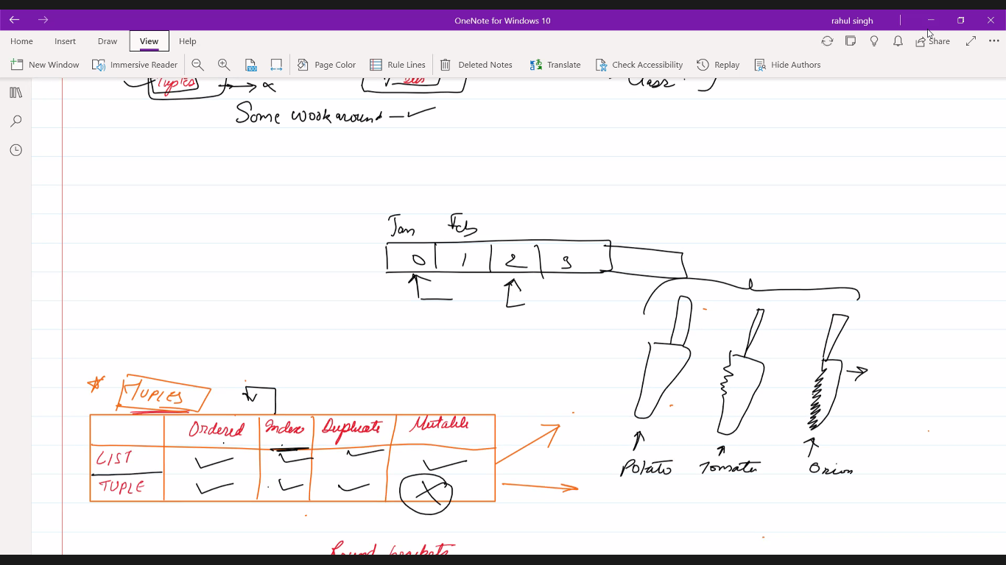
19.04.2022

 | Tuple
 |  | Creating a tuple
 |  | sum() Function
 |  | type()
 |  | count() Method
 |  | Index() Method

 |  | Tuple with single value | tuple5=("String",)

27042022
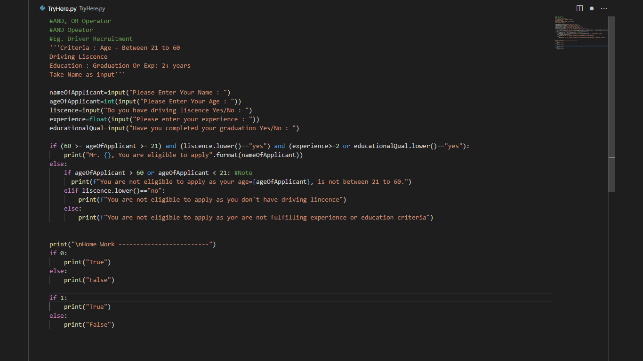

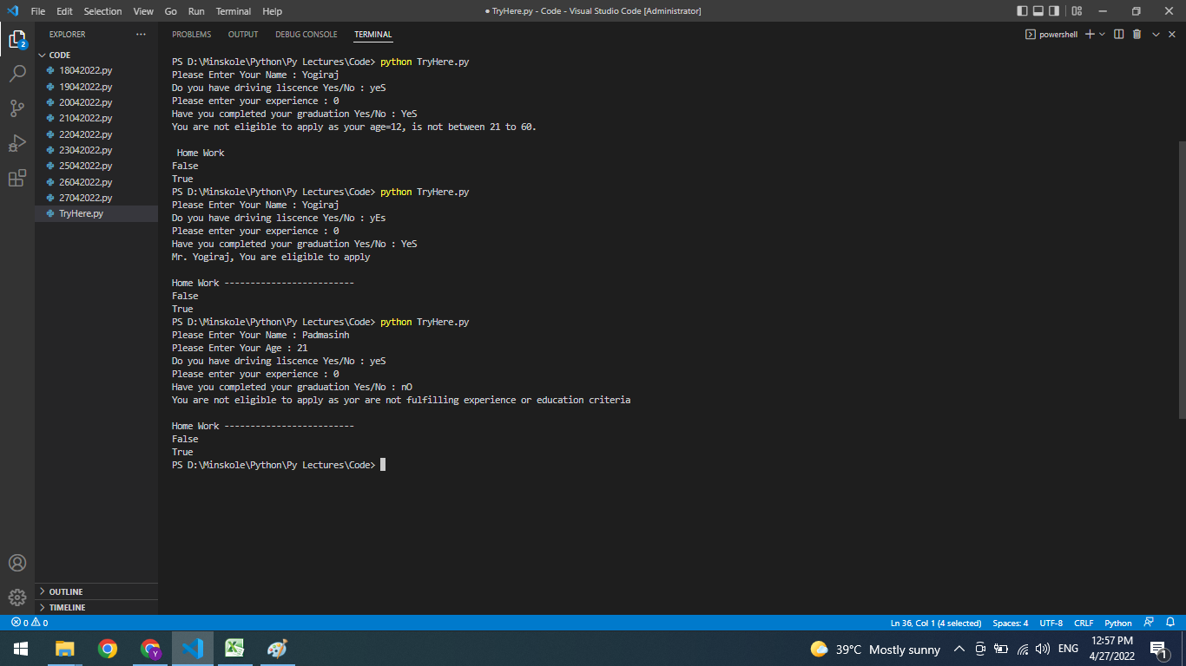

09052020
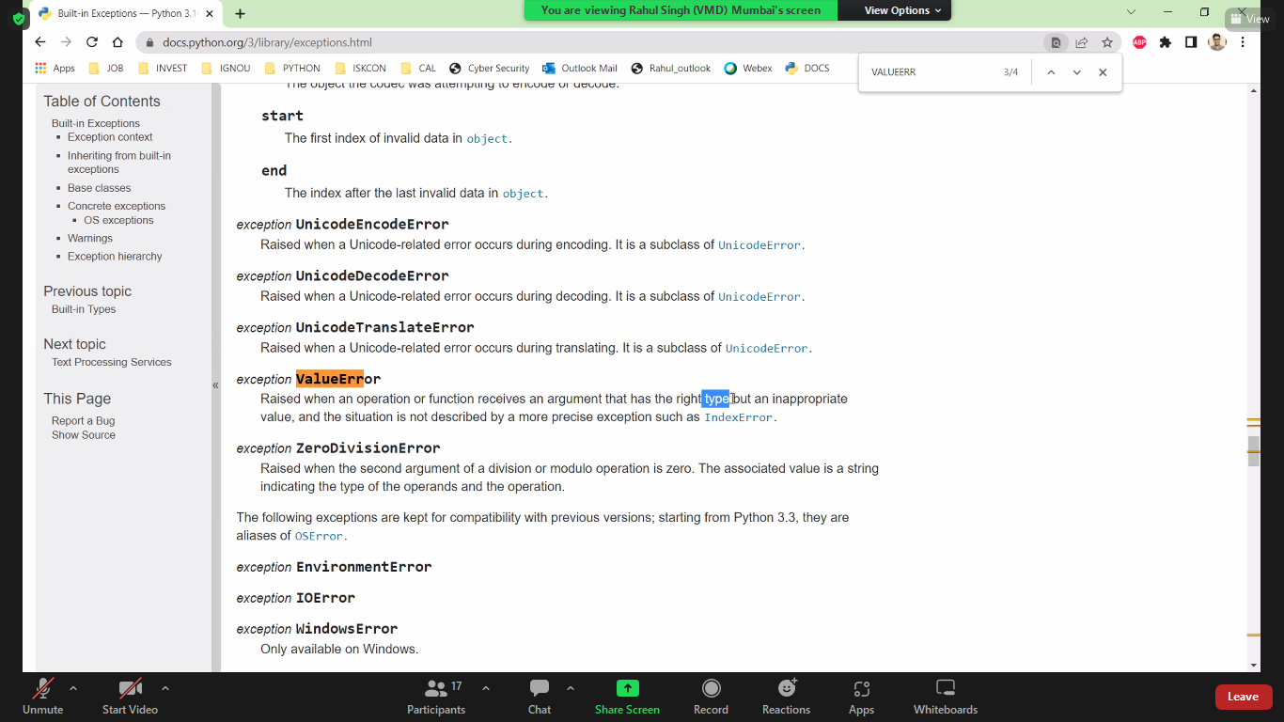
09.05.2020

Exceptions in Python
 | When use inputs garbage value

#Positional Arguments : Position of argument is important
 | it is called positional parameters

 | def sub(a,b):
 | return a-b
 | ans1=sub(9,6) #Order is important. here a=9 and b=6
 | print(ans1)

#Keyword arguments : We assign a value to varibale in while passing arguments
 | def sub(a,b):
 | return a-b
 | ans1=sub(b=9,a=6) #parameters are asigned with respective values
 | print(ans1)

Order of parameters while passing an arguments
 | def myFunction(p1, p2, *agrs, k)

